cmd
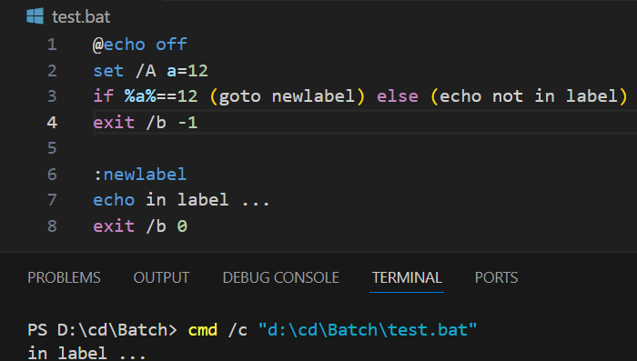
echo
 | print any text on the screen |  |  |  | In order to turn off the command echoing, |  |  |  |  |  | don't want "echo off" to be printed on the screen
 | The message don't need to be enclosed by double quotes or single quotes. |  |  |  | will only print the output of the command.
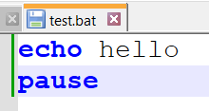
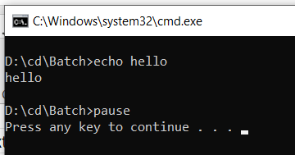
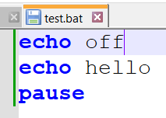
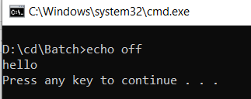
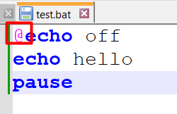

pause
 | hold the output screen till user enter or press a key

ver
 | display the operating system version number

cd
 | without any parameter, show us the current working directory of our batch file is in |  | navigate through different directories

choice
 | prompt the user to select one item from a list of single character choices
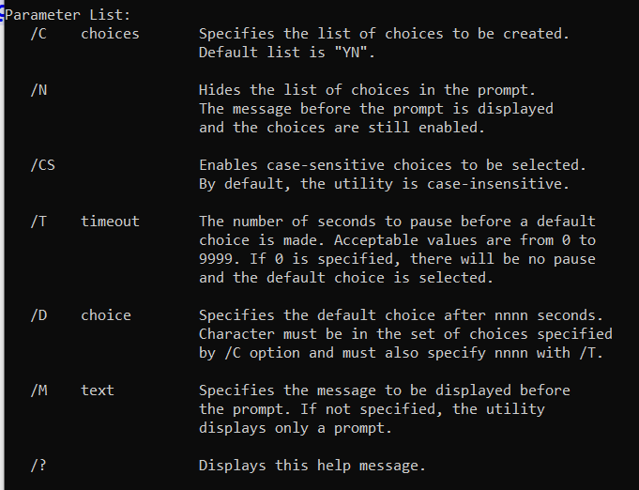

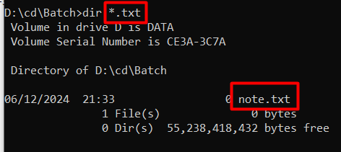
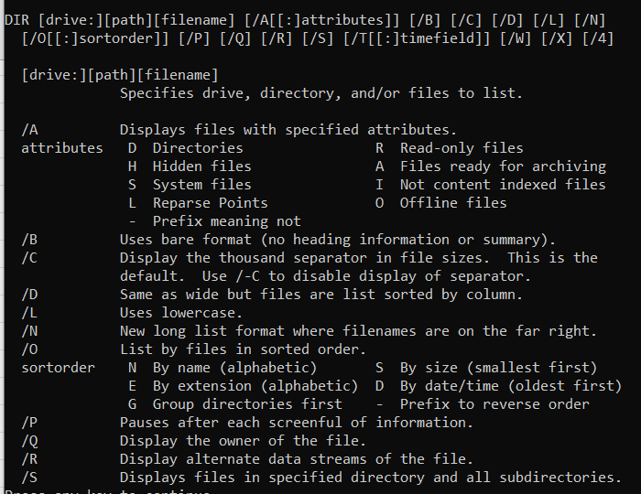
dir
 | display disk, volume serial number, followed by a list of directories and files on the disk including their name, date and time |  |  |  |  |  |  | apply wildcard for filtering |  |  |  | other options:
 | For files, display name, extension and size in bytes. It will also display the total number of files and directories listed with their cumulative size and free space remaining on the disk.
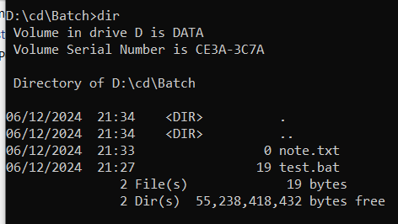

date
 | Displays the current system date setting and prompts the user to enter a new date |  |  | display only the current date

time
 | displays the current system time setting and prompt the user to enter a new time

cls
 | clear the command prompt window.

tasklist
 | display a list of currently running processes on local computer or on a remote computer.

rem
 | signifies comment in the batch script.
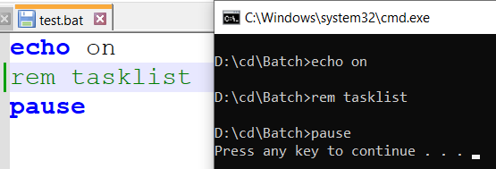

title
 | set the new title for the output console.

shutdown
 | shut down the computer

comp
 | compare the size of two files
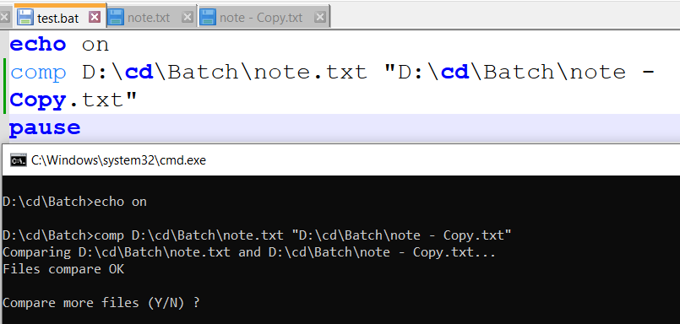

sort
 | sort the content of a file alphabetically.
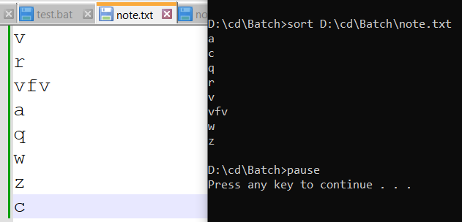

help
 | display all the available commands with their functionalities in the console.

copy
 | copy files from one location to another. |  |  |  |  |  | apply wildcard for filtering

xcopy
 | copy the files as well as directories including subdirectories
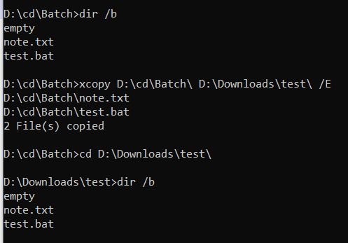

del
 | delete one or more files. | confirm before deleting |  |  |  |  | apply wildcard
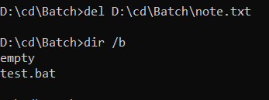

move
 | moves files from one directory to another. |  |  |  | Rename directories |  |  |  | move the directories

attrib
 | show attribute assigned to the file. |  |  |  |  | set sttribute |  |  |  | unset attribute

 | "A" stands for archive attribute which is used to mark files that have been changed since they were previously backed up. |  |  |  |  | "R" is read-only

find
 | searches for a string of text in a file or files and display lines of text that contain the specified string.

type
 | displaying the content of a file to an output console.
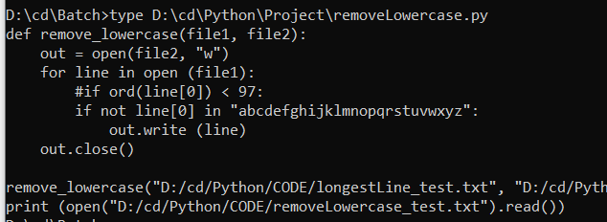

findstr
 | Find text string

code .
 | Open current folder in VS Code

start .
 | Open current folder in Folder Explorer |  |  | Open sub-folder in Folder Explorer
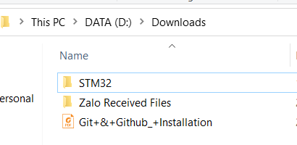
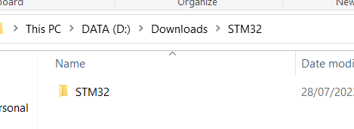

set
 | set variable |  | variable is numeric, work within the full range of 32 bit size integer numbers. |  |  |  |  | prompt the user for input

setlocal
endocal
 | set boundary for local variables

goto
 | jump to label

special char
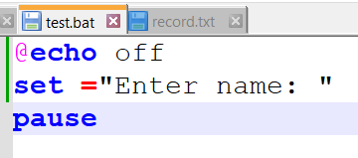
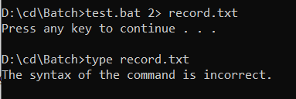
@ (AT)
 | tells the command processor to be less verbose means to only show the output
 | of the command without showing it being executed.

::
 | it is a label and can be considered as a comment

> (redirect)
 | redirect the command output to a file or to a blank or null

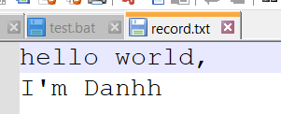
>> (append)
 | append data

^ (caret)
 | act as line continuation |  |  | escape this special character

| (pipe)
 | take the output of one command and redirect it to the input of another command. |  |  |  | filter the output of a command through another command.
 |  |  |  |  | It allows for the manipulation and processing of data by passing it through different commands in a chain.

& (ampersand)
 | put multiple commands on the same line | when error occurs, still continue to execute next command |  |  |  | just only execute next commands when no error before

%
 | command line args |  | indicate variable (not case sensitive)

! (exclamation)
 | tell the interpreter to substitute the value of variable at runtime rather than at the compile time. |  |  |  | must set enable delayed expansion

2>
 | log the error message to a file

env var
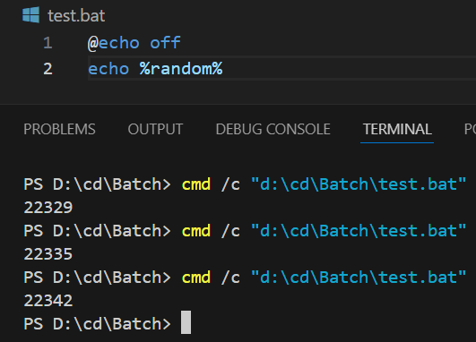
errorlevel
 | contains the return code zero.

date
 | current date

time
 | current time
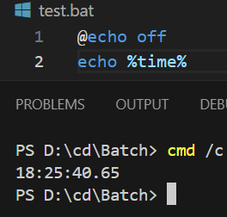

random
 | random number

condition
if else

if defined
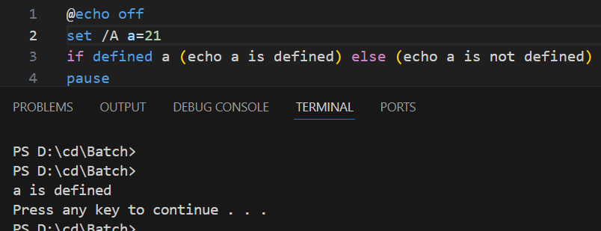

if exist
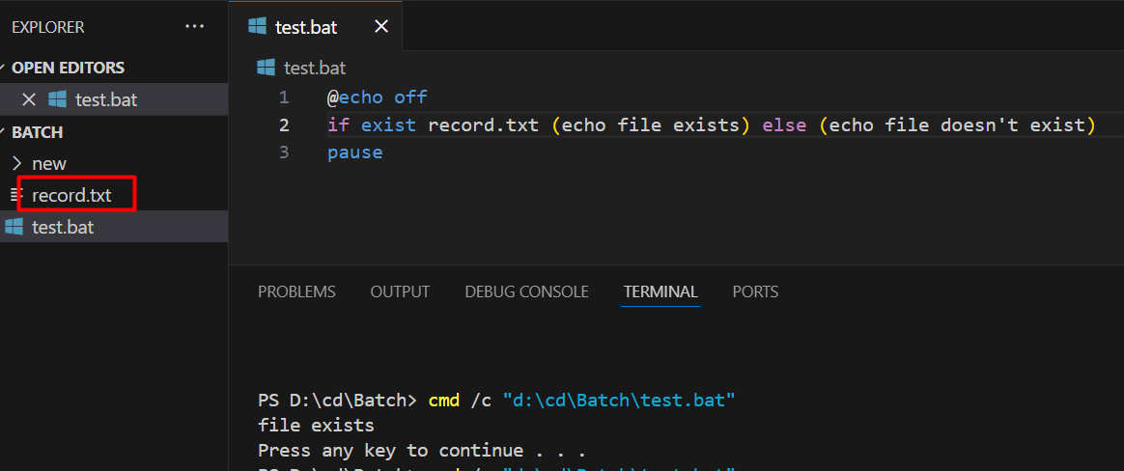

nested if

string
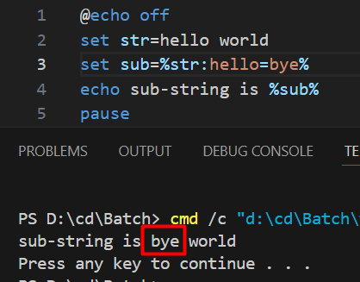
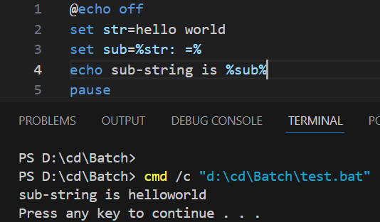
empty
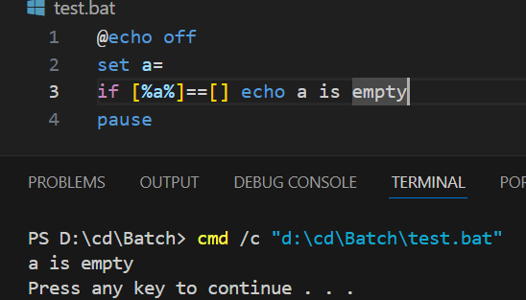

extract sub-string |  | first arg is start index, second arg is length
 | from left to right |  |  | from right to left | from both sides
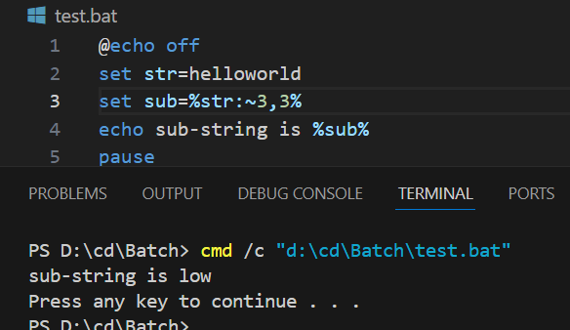
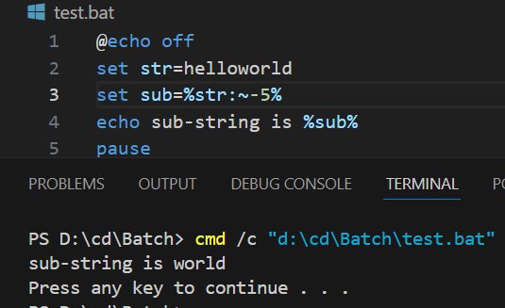
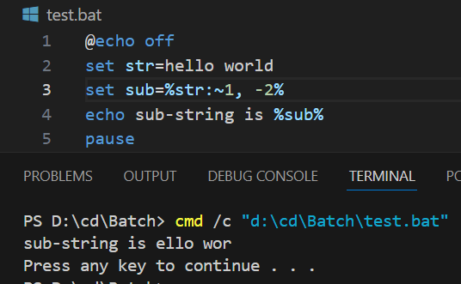

replace
 | replace string |  | replace to null (remove blank)

operator
relational
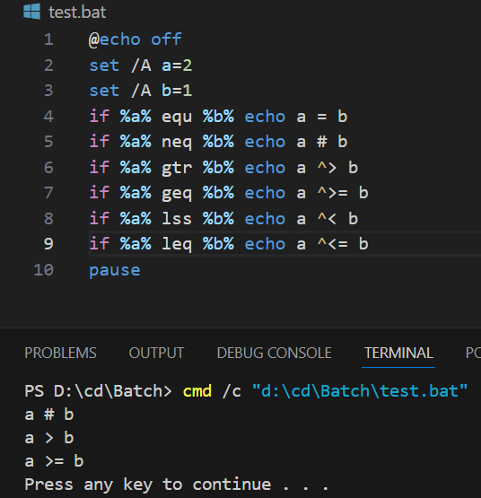

not
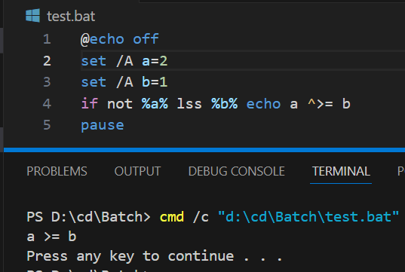

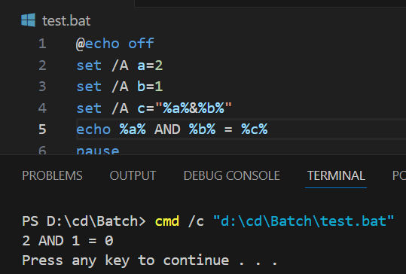
bitwise
 | use double quotes

loop
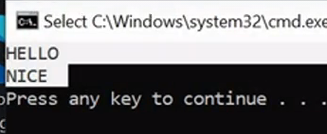
loop in set

 |  |  | invalid variable
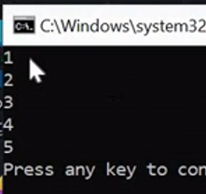
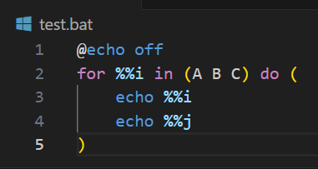
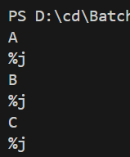

loop through range /L

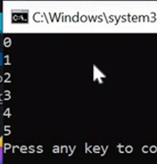

loop through folders/D

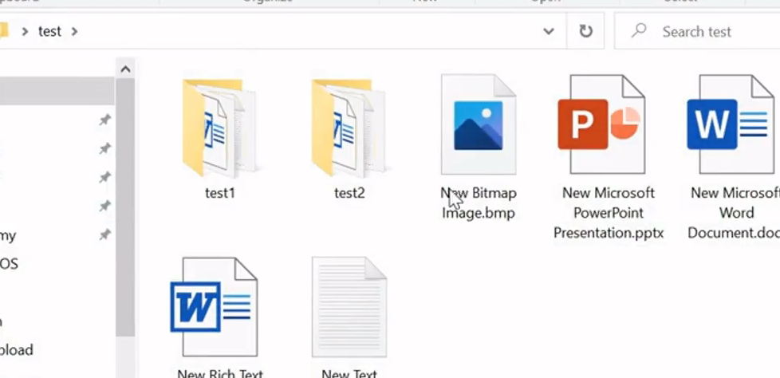

loop through recursive folder /R

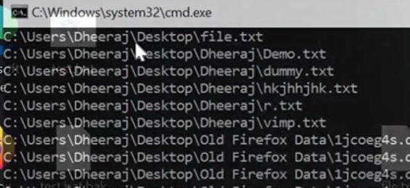

loop through items in file /F

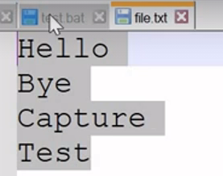

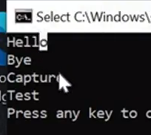

loop through tokens
 | default delimiter is space

 | default, look for only 1 item in each line of file | look for 2 tokens in each of line of file |  | first token and remaining tokens in each of line of file | 3 tokens in string
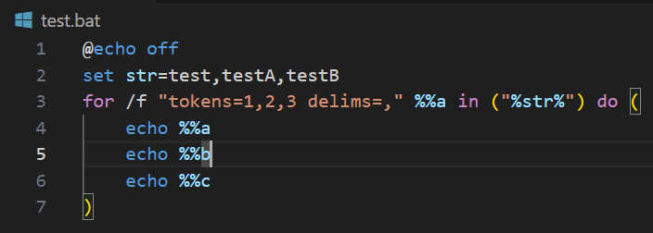
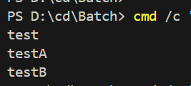

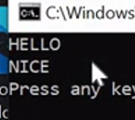
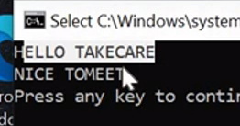
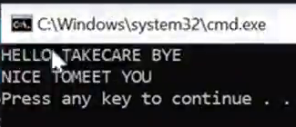

EOL
 | any line that starts with the character indicated by EOL (each of line) will be ignored.

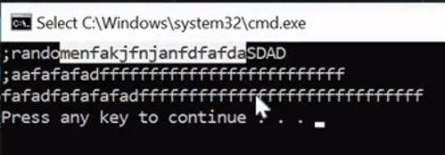

loop with delimiter

array
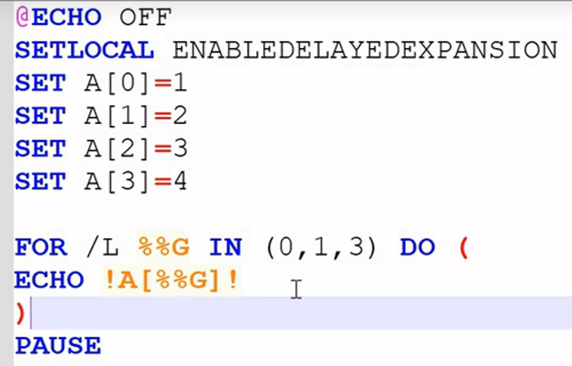

loop through array

function


pass args

